Dashboard
 | Increasing Sales Capacity AND New Sales 2019
 | Our goal is to increase new sales at our existing most proftitable key customers.
 | Our objective is to increase our sales capacity to 80% and turn the new sales capacity into new sales.
Customer Base |  | Most Profitable Customers

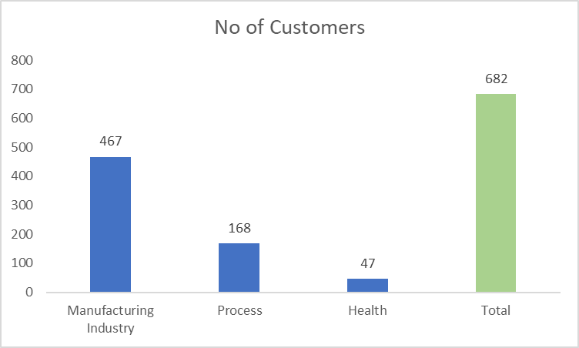
Most Profitable Customers
 | Customers | Profitable Customers
Manufacturing Industry | 467 | 150
Process | 168 | 80
Health | 47 | 30
Total | 682 | 260

Current Sales Days per Year |  | Planned Sales Days per Year

65%
83%

Actions
Training and Meetings : Cut Face-to-Face Meetings by Providing Online Tutorials
Administration: Providing automated sales management tool to cut man hours

Customer Base
Customer Base
First you'll find out your number of customers to be visited in the different segments.
Fill in the number of customers to be visited in the different customer segments.

Business Area | No of Customers
Manufacturing Industry | 467
Process | 168
Health | 47
Total | 682

Most Profitable Customers
Customer Base
First you'll find out your number of most profitable customers to be visited in the different segments.
Fill in the number of customers to be visited in the different customer segments.
Most Profitable Customers
Business Area | Customers | Profitable Customers
Manufacturing Industry | 467 | 150
Process | 168 | 80
Health | 47 | 30
Total | 682 | 260

Current Sales Days
Current Effective Sales Days
Next, you'll analyze the number of effective sales days one sales person has currently available for visiting customers.
Calculate the ratio : Effective Sales Days divided by Working Days.
Fill in the number of calendar days sales persons have available for visiting customers.

Calendar Information | No of Effective Sales Days
WORKING DAYS | 230
Training Meetings | 30
Admin | 50
Effective Sales Days | 150
Sales Capacity | 65%

65%

Planned Sales Days
Planned Effective Sales Days
Finally you'll plan your effective sales days and turn them into specific actions to achieve your sales capacity of 80%
Fill in the number of calendar days sales persons have available for visiting customers.

Calendar Information | No of Effective Sales Days
WORKING DAYS | 230
Training Meetings | 20
Admin | 20
Effective Sales Days | 190
Sales Capacity | 83%

83%

